Sheet1
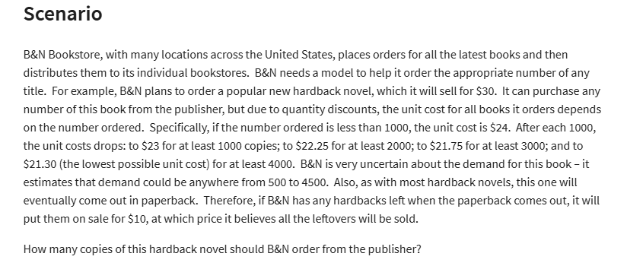
BN Bookstore
 |  |  | at least
Regular price | $30 |  | Ordered | Unit cost
Sale price | $10 |  | 0 | $24.00
 |  |  | 1000 | $23.00
 |  |  | 2000 | $22.25
 |  |  | 3000 | $21.75
 |  |  | 4000 | $21.30
Demand | 4000 | (500 - 4500)
Order | 3500

Surplus | 0

Costs | $76,125 |  |  |  | Demand
 |  |  | Order | $28,875 | 500 | 1000 | 1500 | 2000 | 2500 | 3000 | 3500 | 4000 | 4500
Revenue | $105,000 |  |  | 500 | $3,000 | $3,000 | $3,000 | $3,000 | $3,000 | $3,000 | $3,000 | $3,000 | $3,000
 |  |  |  | 1000 | $(3,000) | $7,000 | $7,000 | $7,000 | $7,000 | $7,000 | $7,000 | $7,000 | $7,000
 |  |  |  | 1500 | $(9,500) | $500 | $10,500 | $10,500 | $10,500 | $10,500 | $10,500 | $10,500 | $10,500
Profit | $28,875 |  |  | 2000 | $(14,500) | $(4,500) | $5,500 | $15,500 | $15,500 | $15,500 | $15,500 | $15,500 | $15,500
 |  |  |  | 2500 | $(20,625) | $(10,625) | $(625) | $9,375 | $19,375 | $19,375 | $19,375 | $19,375 | $19,375
 |  |  |  | 3000 | $(25,250) | $(15,250) | $(5,250) | $4,750 | $14,750 | $24,750 | $24,750 | $24,750 | $24,750
 |  |  |  | 3500 | $(31,125) | $(21,125) | $(11,125) | $(1,125) | $8,875 | $18,875 | $28,875 | $28,875 | $28,875
 |  |  |  | 4000 | $(35,200) | $(25,200) | $(15,200) | $(5,200) | $4,800 | $14,800 | $24,800 | $34,800 | $34,800
 |  |  |  | 4500 | $(40,850) | $(30,850) | $(20,850) | $(10,850) | $(850) | $9,150 | $19,150 | $29,150 | $39,150

